Company Valuation
The Intrinsic value of stock: Free Cash Flows of the Firm (FCFF Model). [Lockheed Martin & Corp]

 | Part II. Intrinsic Value of stock on FCFF Model

 | 1. Projected Assumptions. | 0 | 1 | 2 | 3 | 4 | 5
 | Sales growth |  | 4% | 3.5% | 4.5% | 6.2% | 7.4% | 5.120%
 | Cost of Sales (% of sales) | 84.78% | 86.5% | 85.2% | 83% | 82% | 84%
 | R&D Exp (% of sales) | 1.99% | 2.35% | 2.35% | 2.1% | 2.1% | 2.1%
 | Other (Expenses) Income (% of sales) | -0.02% | 0.5% | -0.45% | 0.2% | 0.3% | 0.15%
 | Other Non Operating (Expense) Income (% of sales) | 0.28% | 0.30% | 0.34% | 0.27% | 0.38% | 0.30%
 | Net loss from discontinued operations (% of sales) | 0.08% | 0.0% | 0.0% | 0.0% | 0.0% | 0.0%
 | Net Operating Working Capital (% of sales) | 8.33% | 8.4% | 6.2% | 6.7% | 6.7% | 7.4% | 5,445
 | Fixed Assets (% of sales) | 11.03% | 13.00% | 11.40% | 11.00% | 10.70% | 10.45%
 | Depreciation (% of fixed assets) | 4.52% | 4.52% | 4.52% | 4.52% | 4.52% | 4.52%
 | Tax rate | 16.4% | 17.2% | 17.3% | 16.2% | 16.5% | 16.0%
 | WACC | 9.38% |  | Permanent growth rate after year 5 |  |  | 5.40% |  | 0.36730945822
 | Please use more assumptions if necessary
 |  |  |  |  |  |  |  | 0.030581974984
 | 2. Operating cash flows | 0 | 1 | 2 | 3 | 4 | 5
 | Sales | 65,398 | 68,014 | 70,394 | 73,562 | 78,123 | 83,904
 | - Cost of Revenue | 55,444 | 58,832 | 59,976 | 61,057 | 64,061 | 70,731
 | = Gross Profit | 9,954 | 9,182 | 10,418 | 12,506 | 14,062 | 13,173
 | - R&D Expense | 1,300 | 1,598 | 1,654 | 1,545 | 1,641 | 1,762
 | + Other (expenses) Income, net | (10.00) | 340 | (317) | 147 | 234 | 126
 | = EBIT | 8,644 | 7,924 | 8,447 | 11,108 | 12,656 | 11,537
 | + Other non-operating (Expenses) Income, net | 182 | 204 | 239 | 199 | 297 | 252
 | - Interest Expense | 591 | 554 | 534 | 534 | 495 | 495
 | = EBT | 8,235 | 7,574 | 8,153 | 10,773 | 12,458 | 11,294
 | - Tax | 1,347 | 1,303 | 1,410 | 1,745 | 2,056 | 1,807
 | - Net loss from discontinued operations | 55 | - | - | - | - | -
 | = Net Income | 6,833 | 6,271 | 6,743 | 9,028 | 10,403 | 9,487
 | + add back Interest after tax |  | 554 | 534 | 534 | 495 | 495 | Consolidated Balance Sheets
 | + add back Depreciation |  | 400 | 363 | 366 | 378 | 396
 | = Operating Cash Flows |  | 7,225 | 7,639 | 9,927 | 11,275 | 10,378
 |  |  |  |  |  |  |  |  |  | December 31,
 | 3. Cash flows in NOWC | 0 | 1 | 2 | 3 | 4 | 5 |  |  | 2020 | 2019
 | Net Operating Working capital | 5,445 | 5,713 | 4,364 | 4,929 | 5,234 | 6,209 | Assets
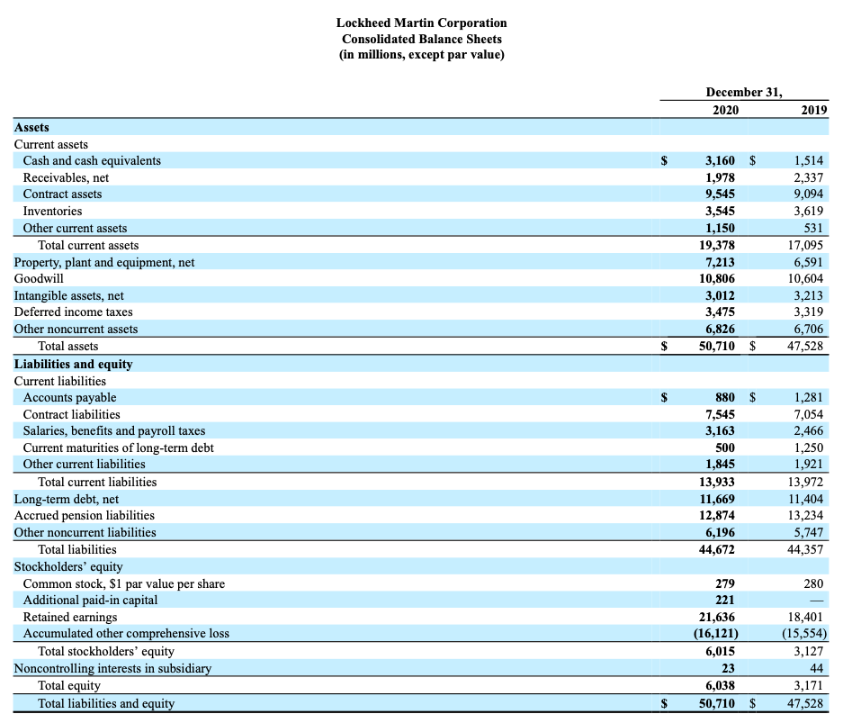
 | = Cash flows of Changes in NOWC |  | (268) | 1,349 | (564) | (306) | (975) | Current assets
 |  |  |  |  |  |  |  | Cash and cash equivalents |  | $3,160 | $1,514
 | 4. Cash flows in capital investment | 0 | 1 | 2 | 3 | 4 | 5 | Receivables, net |  | 1,978 | 2,337
 | Fixed asset (PPE) | 7,213 | 8,842 | 8,025 | 8,092 | 8,359 | 8,768 | Contract assets |  | 9,545 | 9,094
 | = Cash flows of Changes in fixed assets |  | (1,629) | 817 | (67) | (267) | (409) | Inventories |  | 3,545 | 3,619
 |  |  |  |  |  |  |  | Other current assets |  | 1,150 | 531
 | 5. Free Cash Flows of the Firm | 0 | 1 | 2 | 3 | 4 | 5 | Total current assets |  | 19,378 | 17,095
 | Free Cash Flows of the firm (Y1~Y5) |  | 5,328 | 9,804 | 9,296 | 10,702 | 8,994 | Property, plant and equipment, net |  | 7,213 | 6,591
 | Terminal Value at the end of Y5 (Y6 ~ forever) |  |  |  |  |  | 237,967 | Goodwill |  | 10,806 | 10,604
 | = Total Free Cash Flows of the firm |  | 5,328 | 9,804 | 9,296 | 10,702 | 246,961 | Intangible assets, net |  | 3,012 | 3,213
 |  |  |  |  |  |  |  | Deferred income taxes |  | 3,475 | 3,319
 | 6. Intrinsic Value of Common Stock | ($ million, %) |  | 7. Taget Price based on DCF Model (FCFF) |  |  | ($, %) | Other noncurrent assets |  | 6,826 | 6,706
 | Enterprise Value of the firm (the Entire Business) | 185,355 |  | Intrinsice Value (Target price) of CS per share |  |  | 620.08 | Total assets |  | $50,710 | $47,528
 | - MV of the Debt and PS | 11,669 |  | - Market Price of CS per share (as of today) |  |  | 344.42 | Liabilities and equity
 | = Intrinsic Value of CS | 173,686 |  | = Expected G/L on the CS investment ($) |  |  | 275.66 | Current liabilities
 | CS outstanding shares (millions) | 280.1034 |  | = Expected return on the CS investment (%) |  |  | 80.04% | Accounts payable |  | $880 | $1,281
 |  |  |  |  |  |  |  | Contract liabilities |  | 7,545 | 7,054
 | 8. Target Price based on Relative Methods | ($, %) | Firm Ratio | Industry Ratio |  |  |  | Salaries, benefits and payroll taxes |  | 3,163 | 2,466
 | a. Target Price by P/E Forward | $2,739.64 | 15.38 | 122.37 |  | 1.2600894257 |  | Current maturities of long-term debt |  | 500 | 1,250
 | b. Target Price by EV/EBIDTA Forward | 319.38 | 22.27 | 12.15 |  |  |  | Other current liabilities |  | 1,845 | 1,921
 | c. Target Price by EV/Revenue | 364.23 | 2.73 | 1.5 |  |  |  | Total current liabilities |  | 13,933 | 13,972
 | d. Target Price by Price to Free Cash Flows | 443.36 | 18.11 | 23.31 |  |  |  | Long-term debt, net |  | 11,669 | 11,404
 |  |  |  |  |  |  |  | Accrued pension liabilities |  | 12,874 | 13,234
 |  |  |  |  |  |  |  | Other noncurrent liabilities |  | 6,196 | 5,747
 | 9. Financial Ratio Analysis. | ($ million, %) | Aerospace and Defense Industry |  |  |  |  | Total liabilities |  | 44,672 | 44,357
 | a. EVA ($, million) | 3,878 | 2,913 |  |  |  |  | Stockholders’ equity
 | b. ROA (%) | 13.47% | 6.17% |  |  |  |  | Common stock, $1 par value per share |  | 279 | 280
 | c. ROC (%) | 18.59% | 19.11% |  |  |  |  | Additional paid-in capital |  | 221 | —
 | d. ROE (%) | 1.13 | 8.54% |  |  |  |  | Retained earnings |  | 21,636 | 18,401
 | e. Interest Coverage ratio | 14.62605753 | 8.9 |  |  |  |  | Accumulated other comprehensive loss |  | (16,121) | (15,554)
 | d. Equity Ratio | 11.86% | 19.80% |  |  |  |  | Total stockholders’ equity |  | 6,015 | 3,127
 | g. Debt Ratio | 88.09% | 33.60% |  |  |  |  | Noncontrolling interests in subsidiary |  | 23 | 44
 | h. Current Ratio | 1.39 | 1.38 |  |  |  |  | Total equity |  | 6,038 | 3,171
 | i. Net Profit Margin | 10.45% | 8.30% |  |  |  |  | Total liabilities and equity |  | $50,710 | $47,528
 | j. Total Asset Turnover | 1.29 | 0.98

 |  |  |  |  |  |  |  | Consolidated Statements of Earnings

 |  |  |  |  |  |  |  |  |  | Years Ended December 31,
 |  |  |  |  |  |  |  |  |  | 2020 | 2019 | 2018
 |  |  |  |  |  |  |  | Net sales
 |  |  |  |  |  |  |  | Products |  | $54,928 | $50,053 | $45,005
 |  |  |  |  |  |  |  | Services |  | 10,470 | 9,759 | 8,757
 |  |  |  |  |  |  |  | Total net sales |  | 65,398 | 59,812 | 53,762
 |  |  |  |  |  |  |  | Cost of sales
 |  |  |  |  |  |  |  | Products |  | (48,996) | (44,589) | (40,293)
 |  |  |  |  |  |  |  | Services |  | (9,371) | (8,731) | (7,738)
 |  |  |  |  |  |  |  | Severance charges |  | (27) | — | (96)
 |  |  |  |  |  |  |  | Other unallocated, net |  | 1,650 | 1,875 | 1,639
 |  |  |  |  |  |  |  | Total cost of sales |  | (56,744) | (51,445) | (46,488)
 |  |  |  |  |  |  |  | Gross profit |  | 8,654 | 8,367 | 7,274
 |  |  |  |  |  |  |  | Other (expense) income, net |  | (10) | 178 | 60
 |  |  |  |  |  |  |  | Operating profit |  | 8,644 | 8,545 | 7,334
 |  |  |  |  |  |  |  | Interest expense |  | (591) | (653) | (668)
 |  |  |  |  |  |  |  | Other non-operating income (expense), net |  | 182 | (651) | (828)
 |  |  |  |  |  |  |  | Earnings from continuing operations before income taxes |  | 8,235 | 7,241 | 5,838
 |  |  |  |  |  |  |  | Income tax expense |  | (1,347) | (1,011) | (792)
 |  |  |  |  |  |  |  | Net earnings from continuing operations |  | 6,888 | 6,230 | 5,046
 |  |  |  |  |  |  |  | Net loss from discontinued operations |  | (55) | — | —
 |  |  |  |  |  |  |  | Net earnings |  | $6,833 | $6,230 | $5,046

 |  |  |  |  |  |  |  |  |  | 0.46%

 |  |  |  |  |  |  |  | R&D Expense | 1300.00

 |  |  |  |  |  |  |  | Depreciation & Amortization Expense | 853

